1. Title Page
[Instacart Grocery Basket Analysis]

Project Name: Instacart Grocery Basket Analysis
Date: July 5, 2022
Analyst Name: Corrinne Robinson
Data Source: The Instacart Online Grocery Shopping Dataset 2017”, Accessed from https://www.instacart.com/datasets/grocery-shopping-2017 on June 1, 2022

Contents:
Population Flow
Consistency checks
Wrangling steps
Column derivations
Visualizations
Recommendations

Key Questions:
1. The sales team needs to know the busiest days of the week and the busiest hours of the day to schedule ads when there are fewer orders.
2. Sales team wants to know if there are particular times of day when people spend more
3. Marketing and Sales wants simple price range groupings to help direct their efforts
4. Marketing and sales want to know which departments have the highest frequency of orders.
5. Marketing and sales want to know the different ordering habits of customer profiles
 | a) Brand loyalty - how often do customers return to Instacart
 | b) Are there different ordering habits based on loyalty status
 | c) Are there different ordering habits based on region
 | d) Is there a connection between age and family status in terms of ordering habits
 | e) What different classifications does the demographic information suggest. Age? Income? Certain types of goods? Family status?
 | f) What differences can you find in ordering habits in different customer profiles

2. Population Flow
Title page

Population flow

Exclusion flag
Condition: max_order <
Obervations to be removed:
Final total count of order_products_all:

Orders_products_combined
Orders_products_merged
Orders_products_all

Total:32433030
Total:32434489
Total:32433030

1.) The grey boxes in the first row of the population flow represent the original data sets as they were when you downloaded them. In the Total fields you need to add the count of the rows when you imported the data set into Jupyter.
2.) The second row of boxes (coloured) represents the data sets after you manipulated them, e.g., removed missing values and duplicates. In the Total fields you need to add the count of the rows after conducting these operations. This offers a visual oveview of how the data flows throughout the data consistency checks.
3.) The third row, where also the arrows are coloured, represents the merges you performed between the datasets. In the Total fields you need to add the count of the rows in the merged datasets, so that you end up with the final dataset (in the red box). Keep in mind the final dataset should be without exclusions (based on the exclusion flag).

3. Consistency checks
 |  |  |  |  | Title page
Consistency checks

Dataset | Missing values | Missing values treatment | Duplicates
orders | days_since_prior_order | Ignored
products | product_name | Dropped missing rows | 5 duplicates also dropped
orders_products_prior
customers

grouped_orders dataset | prices column | any values over 100 were replaced with NaN |  | I suspect the extreme prices were not correct and should be evaluated by the company

days_since_prior_order missing values were ignored as a crosstab check confirmed those were customers with a first time order (there were no prior orders to be counted)

4. Wrangling steps
 |  |  |  | Title page
Wrangling steps

Columns dropped | Columns renamed | Columns' type changed | Comment/Reason
orders - eval_set |  |  | Not applicable to analysis
 | orders_dow to orders_day_of_week |  | To make it more understandable
Customer - First Name |  |  | To protect privacy
Customer - Surnam |  |  | To protect privacy
 | STATE to State |  | Naming consistency
 | n-dependents to children |  | Clarity
 |  | order_id | To string as it is a description, not a numeral
 |  | user_id | To string as it is a description, not a numeral
 |  | department_id | To string as it is a description, not a numeral
 |  | product_id | To string as it is a description, not a numeral

* Due to memory issues with my computer ids were switched back to int64 instead of strings/objects.

5. Column derivations
 |  |  |  | Title page

Column derivations and aggregations

In this tab you should add tables below that the frequences of flags/label variables that you produced after deriving them. NB: don't do this for continuous variables, only for flags.
Dataset | New column | Column/s it was derived from | Conditions
orders_products_merged | price_range | prices | < $5 cost of item = low range, 5 - 15 = mid-range, > 15 = high range
orders_products_merged | shopping_days | orders_day_of_week | 0 or 1 (Saturday or Sunday) = busiest, 3 or 4 (Tuesday or Wednesday) = slowest, all else are regular
orders_products_merged | busy_hours | order_hour_of_day | order_hour_of_day value counts (7 digits, 6 digits, 5 digits) determine categories
grouped_orders | loyalty_flag | max_order | < 10 total orders = new, 10-40 = regular, > 40 = loyal
grouped_orders | spenders | avg_spent | < 10 dollars spent on average = low spender, >10 = high spender
grouped_orders | frequent | med_frequency | > 20 days since last order = non_frequent customer, 10 - 20 = regular customer, < 10 = frequent customer

prices_range: |  |  | frequent:
Mid-range product 21791748 |  |  | Frequent Customer 21576963
Low-range product 10126339 |  |  | Regular Customer 7216644
High-range product 514943 |  |  | Non-Frequent Customer 3639423
Name: price_ranges, dtype: int64 |  |  | Name: frequent, dtype: int64

shopping_days:
Regular Day 12927045
Busiest Days 11875014
Slowest Days 7630971
Name: shopping_days, dtype: int64

busy_hours:
Most orders 27842942
Average orders 4328008
Fewest orders 262080
Name: busy_hours, dtype: int64

loyalty_flag:
Regular Customer 15890458
Loyal Customer 10293434
New Customer 6249138

spenders:
Low Spender 31797576
High Spender 635454
Name: spenders, dtype: int64

6. Visualizations
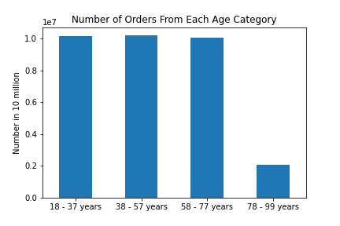
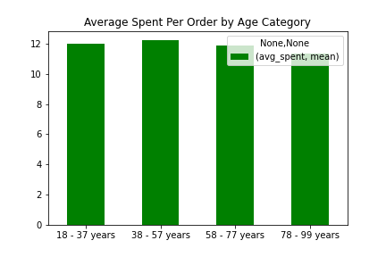
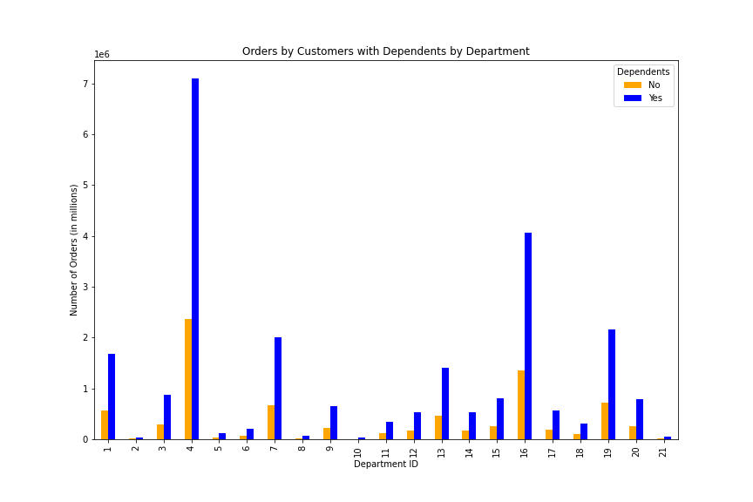
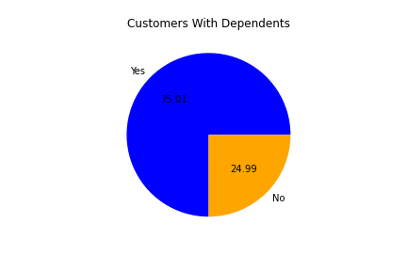
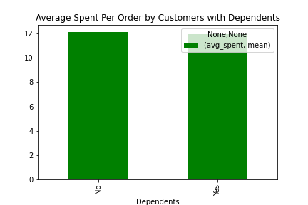
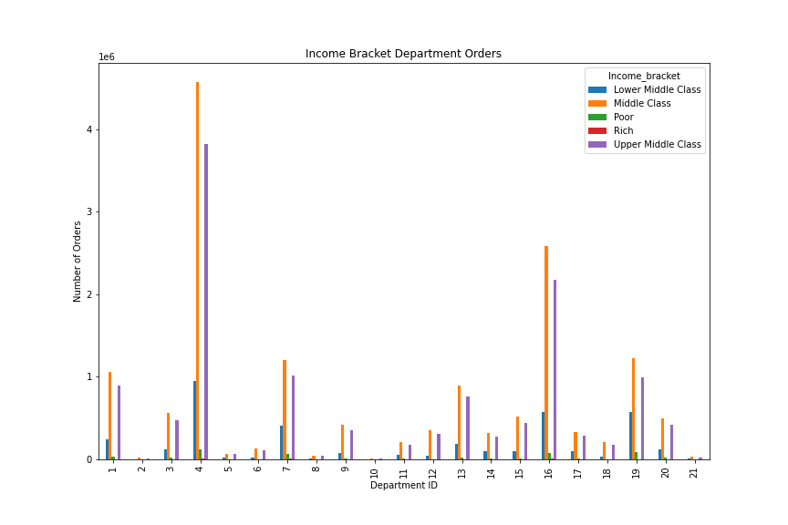
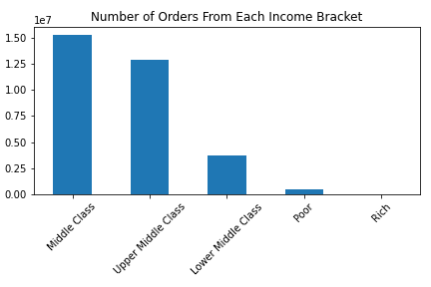
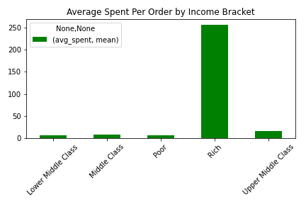
 |  | Title page

Visualisations

In this tab you should include all the visualtions from Exercises 4.9 and 4.10, alongside the questions from the project brief that they answer. Include any commentary on the relationship between different variables.

1. Sales team needs to know the busiest days of the week and hours of the day:
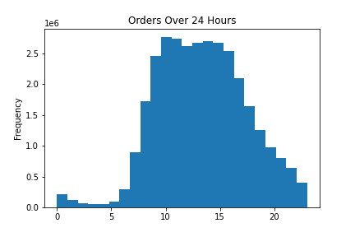
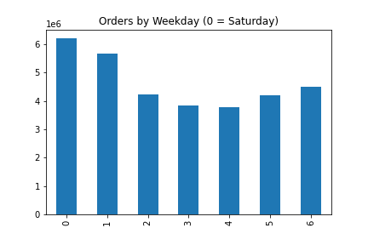

 | The busiest days are Saturday and Sunday. Tuesday and Wednesday are the slowest days.
 | The busiest ordering hours are between 10 am and 4 pm. Midnight to 6 am are the slowest hours.

2. Sales team wants to know what time of day people spend the most money:

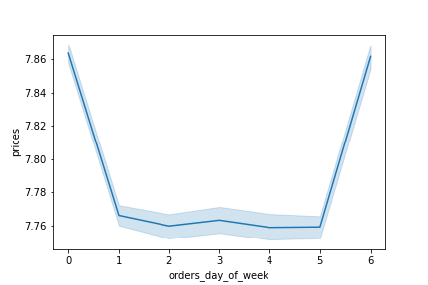
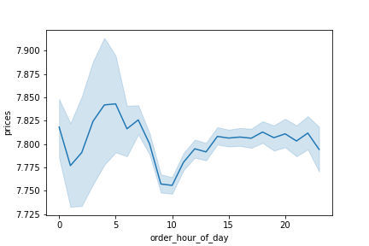

 | Customers are spending the most on Saturday and Friday.
 | Customers are spending the most between 3 am - 6am.

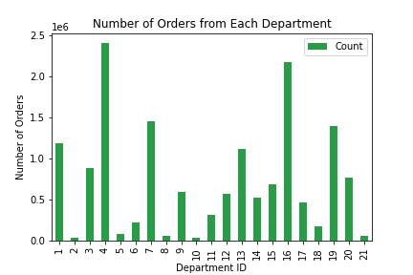
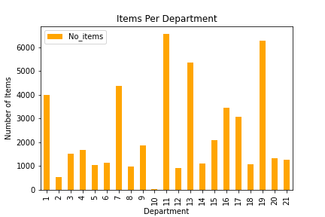
4. Marketing and Sales want to know which departments have the most orders: |  |  | department_id | department
 |  |  | 1 | frozen
 |  |  | 2 | other
 |  |  | 3 | bakery
 |  |  | 4 | produce
 |  |  | 5 | alcohol
 |  |  | 6 | international
 |  |  | 7 | beverages
 |  |  | 8 | pets
 |  |  | 9 | dry goods pasta
 |  |  | 10 | bulk
 |  |  | 11 | personal care
 |  |  | 12 | meat seafood
 |  |  | 13 | pantry
 |  |  | 14 | breakfast
 |  |  | 15 | canned goods
 |  |  | 16 | dairy eggs
 |  |  | 17 | household
 |  |  | 18 | babies
 |  |  | 19 | snacks
 |  |  | 20 | deli
 |  |  | 21 | missing

 | Departments 4 (produce) and 16 (dairy/eggs) have the most orders, followed by 7 (beverages), 19 (snacks), and 1 (frozen).
 | I also looked at the items per department to confirm the "busiest" departments weren't looking that way just because they had the most items. This does not appear to be the case.

5. Marketing and Sales team customer profiling:
 | a: Customer Loyalty
 | Loyal customers have placed more than 40 orders. Frequent customers have < 10 days since their last order.
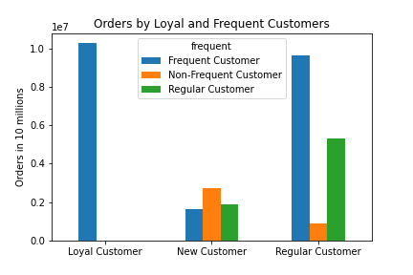

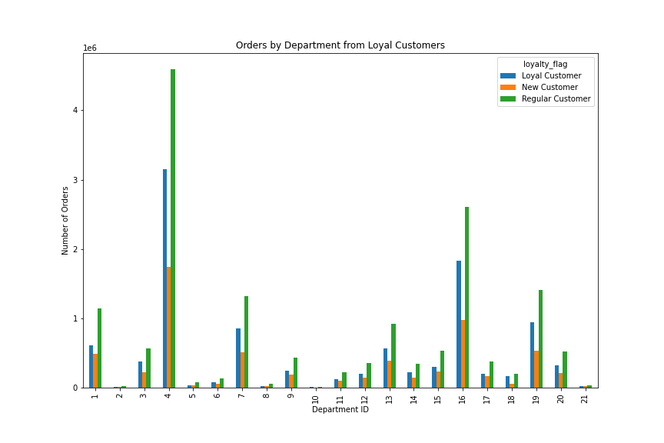

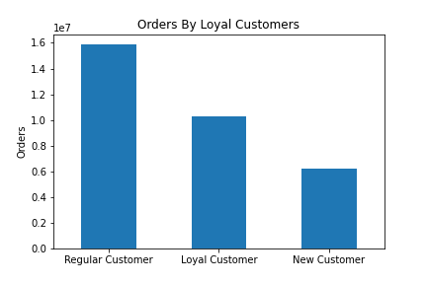
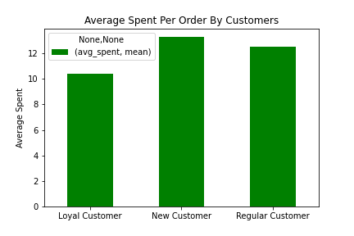
 | b: Different ordering habits based on loyalty status: |  |  |  | department_id | department
 |  |  |  |  | 1 | frozen
 |  |  |  |  | 2 | other
 |  |  |  |  | 3 | bakery
 |  |  |  |  | 4 | produce
 |  |  |  |  | 5 | alcohol
 |  |  |  |  | 6 | international
 |  |  |  |  | 7 | beverages
 |  |  |  |  | 8 | pets
 |  |  |  |  | 9 | dry goods pasta
 |  |  |  |  | 10 | bulk
 |  |  |  |  | 11 | personal care
 |  |  |  |  | 12 | meat seafood
 |  |  |  |  | 13 | pantry
 |  |  |  |  | 14 | breakfast
 |  |  |  |  | 15 | canned goods
 |  |  |  |  | 16 | dairy eggs
 |  |  |  |  | 17 | household
 |  |  |  |  | 18 | babies
 |  |  |  |  | 19 | snacks
 |  |  |  |  | 20 | deli
 |  |  |  |  | 21 | missing

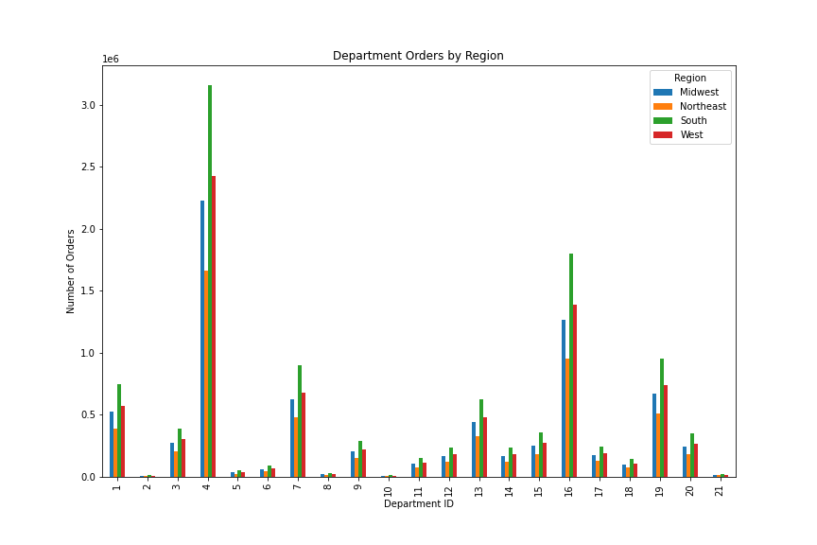

 | c. Different ordering habits based on region:
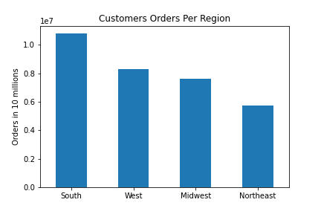
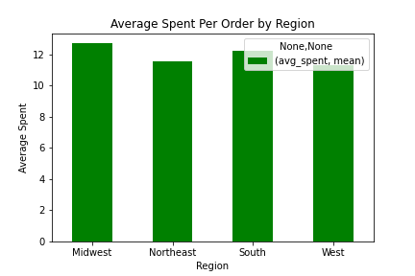

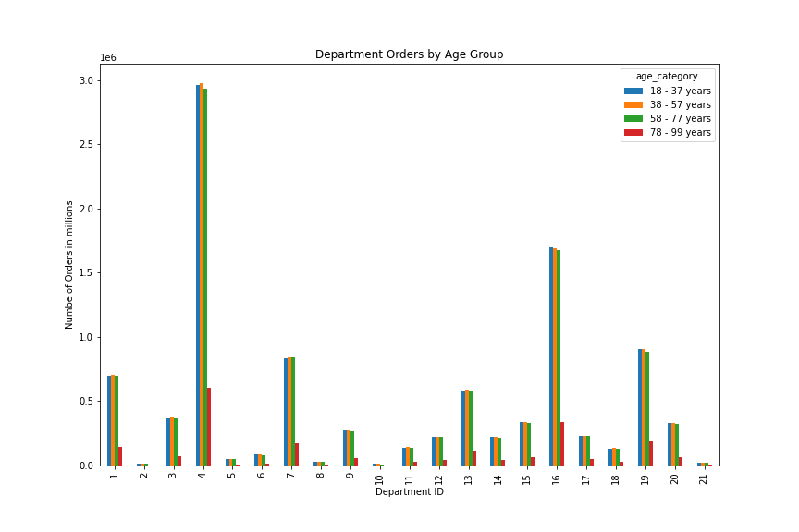

 | d. Age and family status ordering habits:

7. Recommendations
 |  |  |  |  |  |  |  | Title page

Recommendations

In this tab you should include any recommendations you would make to Instcart in terms of their marketing strategy based on the questions posed in the brief. Every key question has been covered in the Tasks of the Exercises - here you need to add an item - a visualisation or table/crosstable that is showing the answer in the data, acompanied by a comment from you. Please, list the questions below and add the answer underneath.

Question

1. The sales team needs to know the busiest days of the week and the busiest hours of the day to schedule ads when there are fewer orders.
2. Sales team wants to know if there are particular times of day when people spend more
3. Marketing and Sales wants simple price range groupings to help direct their efforts
4. Marketing and sales want to know which departments have the highest frequency of orders.
5. Marketing and sales want to know the different ordering habits of customer profiles:
 | a) Brand loyalty - how often do customers return to Instacart
 | b) Are there different ordering habits based on loyalty status
 | c) Are there different ordering habits based on region
 | d) Is there a connection between age and family status in terms of ordering habits
 | e) What different classifications does the demographic information suggest. Age? Income? Certain types of goods? Family status?
 | f) What differences can you find in ordering habits in different customer profiles

Answers: Please see the Visualizations tab for graphs of the relevant information.

1. Saturday and Sunday are the busiest days. Tuesday and Wednesdays are the slowest.
10 am to 4 pm are the busiest ordering hours. 1 am to 6 am are the slowest hours.

2. 3 am - 4 am appear to be the highest spending hours and 9 am - 10 am are the lowest. People are spending the most on Friday and Saturday.

3. Item prices have been grouped into low, mid, and high range and this flag is now part of the data set. The majority of items are in the mid-range (between $5-$15)
 | price_ranges | # of Products
 | High-range product | 690
 | Low-range product | 16292
 | Mid-range product | 32694

4. Produce and dairy/eggs have the most frequent purchases. Followed by beverages, snacks and frozen goods. This trend is consistent across all customer profiles.

5.a) The majority of customers have placed less than 10 orders (new customer). The frequent customers (< 10 days since previous order) are the most common. This suggests a number of relatively new customers to this business.
loyalty_flag | # of Customers |  |  | frequent | # of Customers
Loyal Customer | 17017 |  |  | Frequent Customer | 86591
New Customer | 112328 |  |  | Non-Frequent Customer | 59616
Regular Customer | 76864 |  |  | Regular Customer | 60002

Calculating orders per week (maximum orders divided by weeks since they joined as customers) may also provide a valuable insight. Line graphs to show changes in customer purchasing over time could also show significant trends.

5.b) New customers appear to spending more on average with loyal customers spending the least.
 | Average Spent
 | min | max | mean
loyalty_flag
Loyal Customer | 2.3876712329 | 8794.8824268 | 10.388854031
New Customer | 1 | 25005.425 | 13.294634124
Regular Customer | 1.3083333333 | 4506.2692042 | 12.496418857

5.c) Most of the orders are coming from the South region but that area also has the most customers. The means are not obviously different between the regions.
The most popular departments are consistent across all regions (see Question 4).
 |  |  |  |  | Average spent
 |  |  |  |  | min | max | mean
Region | # of customers |  |  | Region
Midwest | 48519 |  |  | Midwest | 1 | 25005.425 | 12.715947038
Northeast | 36388 |  |  | Northeast | 1.1 | 7414.4851852 | 11.55655399
South | 68737 |  |  | South | 1 | 15006.94 | 12.196474048
West | 52565 |  |  | West | 1 | 10209.987755 | 11.321538586

5.d) The fewest orders are coming from the oldest age category (which also has the fewest customers). The mean average spent is not obviously different.

 |  |  |  |  | Average Spent
 |  |  |  |  | min | max | mean
age_category | # of customers |  |  | age_category
18 - 37 years | 64396 |  |  | 18 - 37 years | 1 | 12506.925 | 11.986022987
38 - 57 years | 64718 |  |  | 38 - 57 years | 1 | 25005.425 | 12.235181779
58 - 77 years | 64156 |  |  | 58 - 77 years | 1 | 8703.4 | 11.847197078
78 - 99 years | 12939 |  |  | 78 - 99 years | 1.3 | 14042.512281 | 11.351693481

5.e) The majority of our customers are middle class - upper middle class, between 18 and 77 years old, have dependents, and live in the South region. They are shopping mostly from the produce and dairy/eggs departments.

Dependents | # of Customers
No | 51602
Yes | 154607

Income_bracket | # of customers
Lower Middle Class | 33796
Middle Class | 91441
Poor | 5208
Rich | 230
Upper Middle Class | 75534

5.f) Rich customers are spending the most on average but placing the fewest orders. Middle class customers are placing the most orders.
Upper middle class customers are ordering a little less than the middle class but are spending more on average than the middle class.

 | Average spent
 | min | max | mean
Income_bracket
Lower Middle Class | 1 | 13.878571429 | 6.8753694541
Middle Class | 1.1 | 12506.925 | 8.710505977
Poor | 1.1 | 7.4666666667 | 6.5049341879
Rich | 25.423455378 | 11772.1 | 256.09685249
Upper Middle Class | 7 | 25005.425 | 16.474918693

Recommendations:
1. Since there are a larger number of new customers they were included in this analysis. Retaining them is good for business. Learning what attracted them to Instacart could help with advertising/bringing in more customers.
2. Since 75% of customers have children I recommend advertising during the day instead of 3 am - 6 am.
Offering meal suggestions and child friendly snacks could help boost sales. Convenience and time-saved by online ordering and easy pick-up/delivery is valued by families and should also be communicated in your advertising.
3. Produce and dairy/eggs are the most popular departments, consider expanding the options in those departments.
The personal care department has the most items but is in the bottom third for number of sales. Consider decreasing the number of items carried in this department.
4. The largest number of clients are middle class and the mean spent is consistenty around $11-$12 dollars. Continue pricing the majority of products in the mid-range tier.
5. A recommendation program (gift certificate) for customers who recommend Instacart to friends/family could help attract new customers.
6. A loyalty program (free item(s), gift certificate, or a discount) for loyal customers could help retain current customers.

